ITP - Stormwater
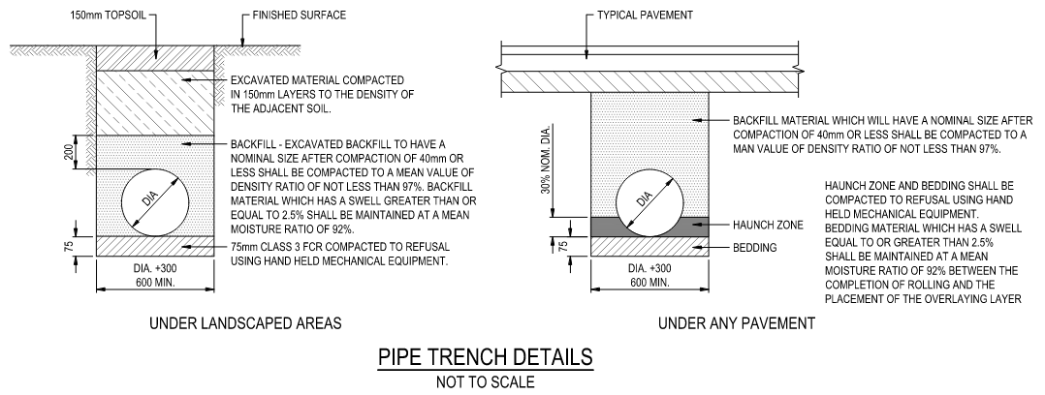
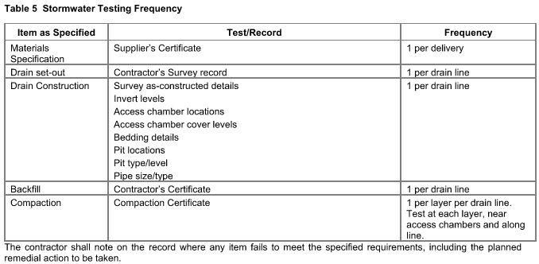
 |  |  | Inspection and Test Plan - Control and Supervision of the Works |  |  |  |  |  |  |  | Document # CTN-ITP-002
 |  |  |  |  |  |  |  |  |  |  | Revision : 2 |  | Date: 28/06/2023

Client: Hobart International Airport Pty Ltd |  |  |  | Construction Process: |  | Prepared by: |  | Reviewed by : |  |  | Approved by :
Project: Project Mercury Early Works At Hobart International Airport |  |  |  | Underground Stormwater Drainage |  | Name: | Zac Buick | Name: |  |  | Name:
Contract No: |  | MER-EW-001 |  | Specifications: Hobart Airport Project Mercury Early Works Civil Specification and EW-CI-SPC-000001
 |  |  |  | Structure / Component: Drainage Pipes, Pits and Headwalls |  | Signed : |  | Signed : |  |  | Signed :
 |  |  |  | Location: Hobart International Airport |  | Date : | 31/05/2023 | Date : | 2023-06-06 |  | Date :

Lot No: |  |  | Lot Details: |  |  |  |  |  | Lot Size/ Quantity:

Item | Task/Activity Description |  | Inspection / Controls and Verification Detail |  |  |  |  | HP/ WP/ AP/ IP/ TP/ SCP | Responsibility | Checked by:
No. |  |  | Frequency | Acceptance Criteria | Reference Documents | Inspection / Test Method | Record of conformity |  | Project Engineer Site Engineer Superintendent Surveyor Foreman | Client | Fulton Hogan | Superintendant | Date
1 | Preliminary Works
1.1 | Check for correct documentation |  | Prior to commencing any activity | Ensure that all employees and subcontractors are: - using the correct and complete set of drawings - all drawings are the latest revision - Conflicting documents: The project specific drawings to superceed the specification | Drawings and drawing registers | Visual inspection | This ITP Signed | HP* | Site Engineer | N/A |  | N/A
1.2 | Implementation of all measures and controls |  | Prior to commencing any activity | All necessary measures and controls are being implemented, that is: PSP, EMP, TMP, SWMS & WP | OHSMP, EMP, TMS, SWMS, WP | Visual Inspection | This ITP Signed | HP* | Site Engineer | N/A |  | N/A
2 | Procurement of Materials
2.1 | Precast Reinforced Concrete Pipe Supply |  | Prior to works commencing 1 per delivery | Pipe class and size and endwall type as per stormwater drainage details and pit schedule All concrete pipes shall conform to AS 4058 and subsequent amendments All concrete pipes shall be spigot and socket rubber ring joint type | Drawings C.4.2 | Verify | This ITP Signed Order acceptance certificate | HP* | Site Engineer | N/A |  | N/A
2.2 | Precast Reinforced Concrete Inlet and Outlet Structures supply |  | Prior to works commencing | The supply of precast inlet and outlet structures shall conform with stormwater drainage details and pit schedule Concrete shall conform to AS 3600 and shall be supplied by a concrete supplier conforming with AS 1379. Concrete shall have a characteristic strength of 32 MPa and maximum aggregate size of 20mm. Concrete strength shall be tested in accordance with Section 20.4 of AS 3600. Steel reinforcing shall comply with AS4671:2001 Structural steel shall comply with the requirements of AS 4100. | DWG EW-CE-DRW-526-001 C.4.6a C.4.6e | Verify | This ITP Signed Recievable Inspection Checklist | HP* | Site Engineer | N/A |  | N/A
2.3 | Bedding and Backfill Material Specification |  | 1 per drain line | Bedding and Backfilling of trench to be in accordance with drawing EW-CE-DRW-526-001 Bedding shall be 75mm Class 3 FCR compacted to refusal using hand held mechanical equipment. See section 4.3 for details | DWG EW-CE-DRW-526-001 C.5.4 C.5.20 | Verify | This ITP Signed, Quarry test report | TP | Site Engineer | N/A |  | N/A
2.4 | Setout of Works |  | 1 per drain line | Position of culverts confirmed with the superintendent prior to commencement of excavation Minimum 3 profiles access and headwall/endwall | Drawings | Visual inspection | Survey records, pegs on ground & this ITP Signed | HP* | Site Engineer | N/A |  | N/A
3 | Installation of Underground Stormwater Drainage
3.1 | Excavation for pipe |  | Each Lot | The line of cut for each side of the trench shall be marked out on the surface before excavation commences. Trenches shall be kept free from water, debris and falling earth. The final trimming of the bottom 150mm of trench excavation must not be carried out until immediately prior to concreting or placing of pipe bedding. Excavation must be completed for a minimum of 10 metres length ahead of pipe laying. | Drawings C.4.8b | Visual Inspection | This ITP Signed | IP | Site Engineer | N/A |  | N/A
3.2 | Trench Inspection |  | Each Lot | Superintendent shall Witness excavation prior to bedding or laying pipes, confirm pipe is placed at correct alignment | C.5.20 | Visual Inspection | This ITP Signed | WP | Site Engineer | N/A
3.3 | Trench Base Preparation / Bedding |  | Each Lot | Trench bedding shall be 75mm Class 3 FCR compacted to refusal using hand held mechanical equipment for all plavement types. | DWG EW-CE-DRW-526-001 C.5.4 | Visual inspection / Measure | This ITP Signed | IP | Site Engineer | N/A |  | N/A
3.4 | Haunching |  | Each Lot | Huanching layer to be placed reaching a height equal to 30% of nominal pipe diameter Haunch Zone to be compacted to refusal using hand held mechanical equipment | DWG EW-CE-DRW-526-001 | Visual Inspection | This ITP Signed | IP | Site Engineer | N/A |  | N/A
3.5 | Laying of pipes |  | Each Lot | All pipes shall be set in a straight line between access chambers or between access chambers and headwalls. On inspection by the Superintendant, any pipe not placed in a straight line shall be replaced at the cost of the Contractor. Pipes shall be set in an upstream direction unless otherwise approved by the uperintendent. When laying rubber ring jointed pipes the first pipe in every run of drain shall be firmly staked in position before the remainder of the line is laid. At periods of delay in laying the ends of the pipe shall be adequately fixed to prevent joint creep. | Drawings C.5.1 C.5.5 | Visual Inspection | This ITP Signed | IP | Site Engineer | N/A |  | N/A
3.6 | Jointing |  | Each Lot | Pipes shall be jointed with rubber rings. Both spigot and socket shall be carefully cleaned of all dirt and foreign material. A clean rubber ring shall be used, accurately guided and centred on the socket and forced into place using appropriate lever tools where necessary. The joint shall be checked with a gauge to ensure that the rubber ring has travelled uniformly home. Defective joints shall be immediately remade. | C.5.6 C.5.7 | Visual Inspection | This ITP Signed | IP | Site Engineer | N/A |  | N/A
3.7 | Drainage Pits |  | Each Lot | Drainage pits shall be in accordance with the stormwater drainage details and pit schedule. | DWG EW-CE-DRW-526-001 C.5.15 | Visual Inspection | This ITP Signed | IP | Superintendant Site Engineer | N/A
3.8 | Tolerance |  | Each Lot | The horizontal deviation of any piped or box culverted drain shall not exceed 25mm from the true alignment. There shall be no obvious sharp changes of direction. The maximum deviation from grade shall not exceed + or - 10mm for grades flatter than 1 in 500 and + or - 20mm for grades steeper than 1 in 500. The grade of any piped, box culverted, or open drain shall not exceed + or - 5% for grades flatter than 1 in 500 and + or - 10% for grades steeper than 1 in 500. Invert levels at structures shall not exceed + or - 10mm from the design invert. | DWG EW-CE-DRW-526-001 C.5.21 | Verify | This ITP Signed | SCP | Surveyor, Site Engineer | N/A |  | N/A
4 | Backfilling of Stormwater
4.1 | Inspection Prior to Backfilling |  | Each Lot | Inspection by Superintendant of installed pipes prior to backfilling. | C.5.20 | Visual Inspection | This ITP Signed | HP | Superintendant | N/A
4.2 | Filling |  | Each Lot | (i) Under Landscaped Areas Excavated backfill to be 200mm above top of pipe From 200mm above pipe to 150mm below surface - Excavated material compacted in 150mm layers to the density of the adjacent soil. Final 150mm - Topsoil (ii) Under Any Pavement Haunching to 30% of pipe nominal diameter Backfill material to the base of the pavement | DWG EW-CE-DRW-526-001 | Visual Inspection | This ITP Signed | IP | Site Engineer | N/A |  | N/A
4.3 | Testing and Acceptance of Fill Materials |  | 1 per layer per drain line. Test at each layer, near access chambers and along line. | Bedding and backfill materials shall be placed and compacted in layers not exceeding 150mm loose thickness and shall be assessed for compaction and moisture content. Bedding shall be compacted to refusal using hand held mechanical equipment. Backfill material with nominal size < 40mm after compaction shall be compacted to a mean density ratio of not less than 97% CDR. Backfill material with a swell equal to or greater than 2.5% shall be maintained at a mean moisture ratio of 92% between the completion of rolling and the placement of the overlying layer. | DWG EW-CE-DRW-526-001 | Verify | Compaction Test Result OR This ITP Signed | TP | Site Engineer | N/A |  | N/A
5 | Finishing and Commissioning
5.1 | Finishing and Rendering Pipes |  | Each Lot | All stormwater inlet and outlet connections shall be cut trimmed neat and finished with cementitious mortar. | Work Procedure | Verify | This ITP Signed | IP | Site Engineer | N/A |  | N/A
5.2 | As-Constructed survey and documentation |  | Each Lot | The survey shall include all invert levels at access chambers, entry pits, headwalls and endwalls, centre to centre distance of pits, distances from centre of pits to headwalls or endwalls, size of pipes, types of pipes and bedding, location of pits in relation to adjacent boundaries, reduced levels of access chamber and entry pit covers. Lot Maps shall be completed to show the extent of works for each lot. | C.5.21 | Review | This ITP Signed | HP* | Site Engineer / Superintendent | N/A
 | The signature below verifies that this ITP has been completed in accordance with the FH’s Quality system Procedures and verifies lot compliance with specifications.
 | Fulton Hogan | Print Name: |  | Position: |  | Signature: |  |  |  |  | Date: / /

Legend
HP | Hold Point | Work shall not proceed past the HP until released by the Superintendent |  |  | IP | Inspection point |  | Formal Inspection to be done and recorded
HP* | FH Hold Point | Work shall not proceed past the HP* until released by FH |  |  | TP | Test Point |  | Product compliance test to be undertaken and recorded/reported
WP | Witness Point | An inspection which must be witnessed by the Superintendent |  |  | SCP | Survey conformance point |  | A qualified surveyor to check product/section/structure and report
AP | Approval Point | Written or verbal approval given by the Superintendent

